19jun
Follow Up Activity

Department | Process | Discussion | Action | PIC | Status
ALN | Casting System | Casting System not implemented | Online meeting with Mr Ravi | Mr Siva | Done
 |  | a. Data transfer error | a. Rectify the bug and test run on 19/jun | Mr Ravi | Done
 |  | b. Report not generated | b. Programmer will work on once complete the data entry screen error | Ms Sudha | Will work on after completing the thickness data recording
Tokai | CV Mould | a. Tokai standard lead time | Std : 6 weeks | Tokai | This is with condition a. No changes in drawing b.
 |  | b. Weekly delivery schedule update | Currently submitting but only to Japan Maruwa |  | Will add in Maruwa Malaysia members in loop
 |  | c. Repair mould | Mould sending for repair should be group in same number | Mr Amry / Mr Siva | Mix up causing Tokai to spend time to segregate and need to uniform the design with the drawing
 |  | d. Inspction report submission | Tokai will email the inspection report once the mould is shipped | Tokai | Report will be upload into MMS
 |  | f. Cost Improvement | Tokai will propose alternative material for quality improvement Type of Material : G3 & G4 RFF 40 ~ 70 | Tokai
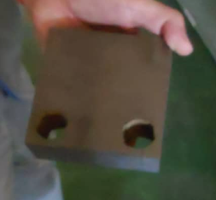
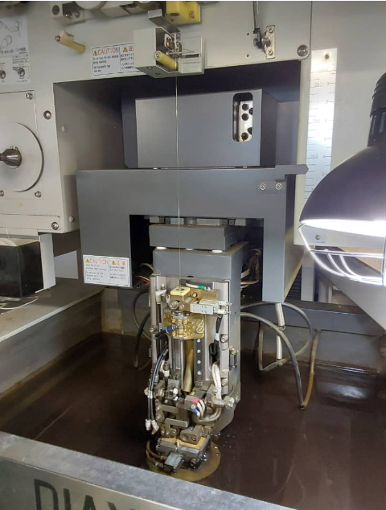
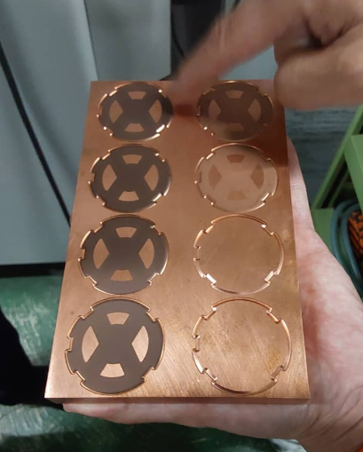
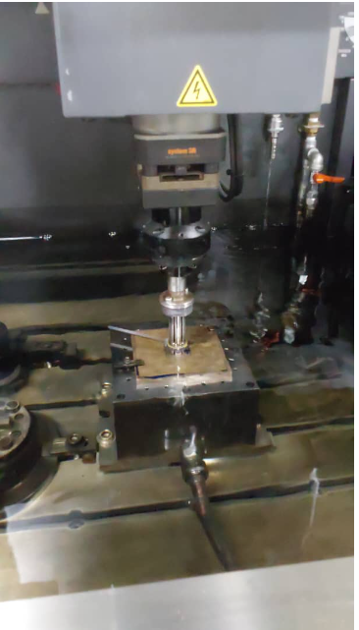
 |  |  |  |  |  | COATING | SHIPMENT

CARBIDE BLOCK
WIRE CUT
EDM JIG
EDM PROCESS

